Yield Curve
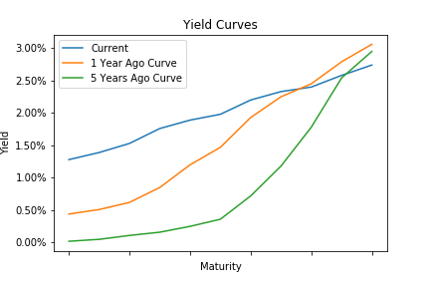
Treasury Yield Curve

 | Current | 1 Year Ago Curve | 1 Year Change | 5 Years Ago Curve | 5 Year Change
1 Mo | 1.28 | 0.44 | 0.84 | 0.02 | 1.26
3 Mo | 1.39 | 0.51 | 0.88 | 0.05 | 1.34
6 Mo | 1.53 | 0.62 | 0.91 | 0.11 | 1.42
1 Yr | 1.76 | 0.85 | 0.91 | 0.16 | 1.6
2 Yr | 1.89 | 1.2 | 0.69 | 0.25 | 1.64
3 Yr | 1.98 | 1.47 | 0.51 | 0.36 | 1.62
5 Yr | 2.2 | 1.93 | 0.27 | 0.72 | 1.48
7 Yr | 2.33 | 2.25 | 0.08 | 1.18 | 1.15
10 Yr | 2.4 | 2.45 | -0.05 | 1.78 | 0.62
20 Yr | 2.58 | 2.79 | -0.21 | 2.54 | 0.04
30 Yr | 2.74 | 3.06 | -0.32 | 2.95 | -0.21

Real Estate Nominal
 | Nominal Real Estate Returns

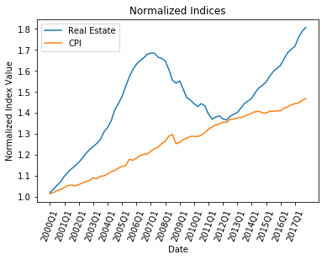
 | Quarter
Year |  | 1 | 2 | 3 | 4
 | 2000 | 1.9% | 1.6% | 1.8% | 1.5%
 | 2001 | 2.5% | 1.7% | 1.6% | 1.2%
 | 2002 | 1.4% | 1.7% | 2.0% | 1.4%
 | 2003 | 1.2% | 1.2% | 1.5% | 2.8%
 | 2004 | 1.6% | 2.4% | 3.8% | 2.1%
 | 2005 | 2.3% | 3.2% | 3.0% | 2.3%
 | 2006 | 1.6% | 1.0% | 0.8% | 1.0%
 | 2007 | 0.4% | -0.1% | -1.1% | -0.3%
 | 2008 | -0.7% | -2.5% | -3.2% | -0.9%
 | 2009 | 0.7% | -2.6% | -2.6% | -0.8%
 | 2010 | -1.2% | -0.9% | 1.0% | -0.7%
 | 2011 | -2.8% | -1.7% | 0.7% | 0.4%
 | 2012 | -1.1% | -0.4% | 1.3% | 0.8%
 | 2013 | 0.5% | 1.6% | 1.6% | 0.8%
 | 2014 | 0.9% | 1.9% | 1.4% | 0.8%
 | 2015 | 1.0% | 1.7% | 1.5% | 0.9%
 | 2016 | 0.9% | 1.9% | 1.8% | 0.9%
 | 2017 | 0.9% | 2.5% | 1.7% | 1.0%

Real Estate Adjusted
 | Adjusted Real Estate Returns

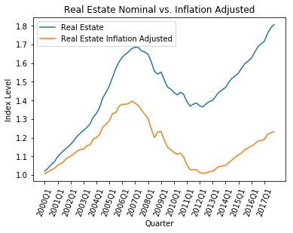
 | Quarter
Year |  | 1 | 2 | 3 | 4
 | 2000 | 0.6% | 0.9% | 1.0% | 1.0%
 | 2001 | 1.6% | 0.8% | 1.3% | 1.6%
 | 2002 | 0.8% | 1.1% | 1.3% | 0.9%
 | 2003 | 0.1% | 1.7% | 0.4% | 2.6%
 | 2004 | 0.7% | 1.5% | 3.3% | 1.1%
 | 2005 | 1.6% | 2.9% | 0.4% | 2.6%
 | 2006 | 0.8% | 0.0% | 0.3% | 0.9%
 | 2007 | -0.7% | -1.0% | -1.7% | -1.7%
 | 2008 | -1.7% | -4.3% | -3.8% | 2.6%
 | 2009 | 0.2% | -3.7% | -3.1% | -1.4%
 | 2010 | -1.2% | -0.8% | 0.5% | -1.7%
 | 2011 | -3.9% | -2.5% | -0.1% | 0.2%
 | 2012 | -1.7% | -0.3% | 0.2% | 0.7%
 | 2013 | 0.1% | 1.5% | 1.1% | 0.3%
 | 2014 | 0.3% | 1.4% | 1.3% | 1.4%
 | 2015 | 1.1% | 1.0% | 1.6% | 0.8%
 | 2016 | 0.8% | 1.0% | 1.4% | 0.2%
 | 2017 | 0.5% | 2.3% | 0.8% | 0.4%

